Sheet1
sr.no | Questions | Answers
 | You’re a developer building an application for your company’s internal HR request process. Now, you want to create a user experience for employees who have Appian logins to submit requests. To do so, you'll create which type of web app? Enter your answer below. | You need to create a site.
 | You designed an app, and now want to provide customers—who might not have an Appian account—with an option to register for company webinars. What kind of web app will you design? Select the correct answer. Portal Site Form It's not doable | a
1 | Which of the following high-level steps are part of the portal creation workflow? Select all that apply. a) Build interfaces and other objects that your portal needs b) Create and configure the portal object c) Add one or multiple pages d) Update the branding to match your organization e) Create a password for users to enter | a,b,c,d
2 | You build a portal for an app, and you want the portal to launch a process in Appian. What function should you use? a) a!startProcess b) a!queryRecordType c) a!localVariables d) a!launchPortalProcess | a
3 | 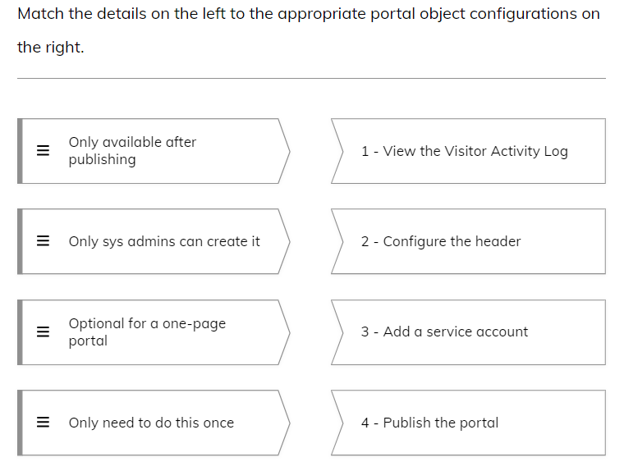 | 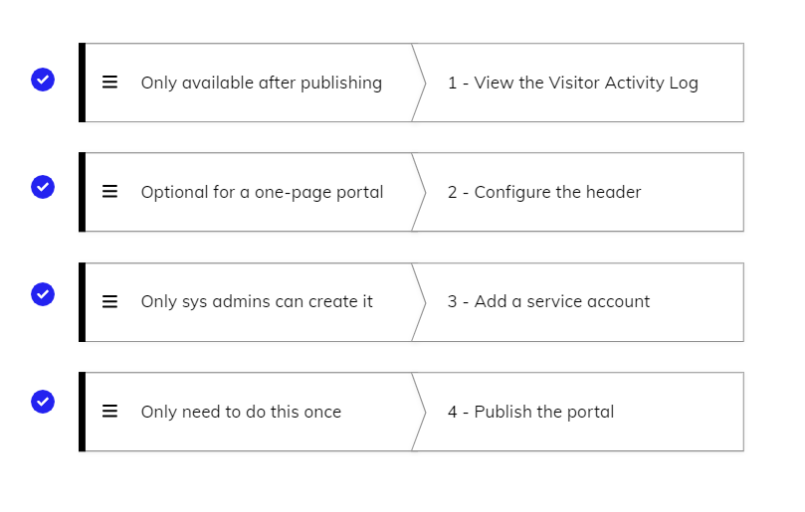
4 | Select only the correct statements from the options below: a) The publishing status is retained after deployment b) The publishing status is not retained after deployment c) You can define the domain that appears in a portal’s URL d) You don't need to manually republish the portal after you update the layout of an interface used in it | a,c,d
5 | What is the purpose of a portal? Select the correct answer. a) Build customized login pages for your apps. b) Manage organizational workflows. c) Connect users without an Appian login to your Appian apps. d) Connect users with an Appian login to your Appian apps. | c
6 | Portals are public. They can be viewed by users as long as they have the URL. A) True b) False | a
7 | Which of the following use cases are suitable for portals? Select all that apply. a) Request an account b) Register for an event c) Report an incident d) Check out a shopping cart | a,b,c
8 | True or False? The most common way to work with data in portals is to use record types. a) True b) False | a
9 | Which of the following are steps for building a portal? Select all that apply. a) Build interfaces and other supporting objects b) Create and configure the portal object c) Publish your portal d) Connect to an external database | a,b,c
10 | You are building an app that accepts speaker applications for a conference. After the application is submitted, an applicant should be able to open a link to a portal with the status of their application. What would you use to do this? a) URL parameters b) A custom domain c) reCAPTCHA in the submission form d) Publishing settings to personalize the page | a

